Sheet3
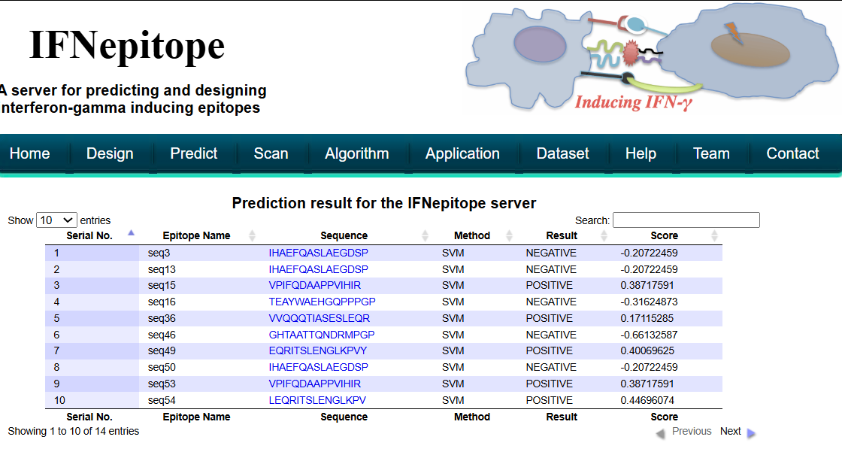
>seq3 | probable antigen | seq3 | non allergen | seq3 | 0.56 | 0 | 0 | 0.56 | Non-Toxin | seq3 | non toxin
IHAEFQASLAEGDSP |  | IHAEFQASLAEGDSP |  | seq13 | 0.56 | 0 | 0 | 0.56 | Non-Toxin | IHAEFQASLAEGDSP |  | seq15 | immunogenicity
 |  | seq13 |  | seq15 | 0.59 | 0 | 0 | 0.59 | Non-Toxin | seq13 |  | VPIFQDAAPPVIHIR
>seq4 |  | IHAEFQASLAEGDSP |  | seq16 | 0.5 | 0 | 0 | 0.5 | Non-Toxin | IHAEFQASLAEGDSP |  | seq36
LKPVYDMAKTISSLN |  | seq15 |  | seq27 | 0.66 | 0 | 0 | 0.66 | Toxin | seq15 |  | VVQQQTIASESLEQR
 |  | VPIFQDAAPPVIHIR |  | seq34 | 0.66 | 0 | 0 | 0.66 | Toxin | VPIFQDAAPPVIHIR |  | seq49
>seq10 |  | seq16 |  | seq36 | 0.54 | 0 | 0 | 0.54 | Non-Toxin | seq16 |  | EQRITSLENGLKPVY
IIHAEFQASLAEGDS |  | TEAYWAEHGQPPPGP |  | seq38 | 0.66 | 0 | 0 | 0.66 | Toxin | TEAYWAEHGQPPPGP |  | seq53
 |  | seq27 |  | seq46 | 0.5 | 0 | 0 | 0.5 | Non-Toxin | seq36 |  | VPIFQDAAPPVIHIR
>seq12 |  | KYDLLVMTTGRATAT |  | seq48 | 0.63 | 0 | 0 | 0.63 | Toxin | VVQQQTIASESLEQR |  | seq54
REAFNNLNSTTSLTE |  | seq34 |  | seq49 | 0.53 | 0 | 0 | 0.53 | Non-Toxin | seq46 |  | LEQRITSLENGLKPV
 |  | QKSLRPVPPSPKIDR |  | seq50 | 0.56 | 0 | 0 | 0.56 | Non-Toxin | GHTAATTQNDRMPGP
>seq13 |  | seq36 |  | seq53 | 0.59 | 0 | 0 | 0.59 | Non-Toxin | seq49
IHAEFQASLAEGDSP |  | VVQQQTIASESLEQR |  | seq54 | 0.58 | 0 | 0 | 0.58 | Non-Toxin | EQRITSLENGLKPVY
 |  | seq38 |  | seq55 | 0.58 | 0 | 0 | 0.58 | Non-Toxin | seq50
>seq14 |  | AKYDLLVMTTGRATA |  | seq57 | 0.55 | 0 | 0 | 0.55 | Non-Toxin | IHAEFQASLAEGDSP
GLKPVYDMAKTISSL |  | seq46 |  | seq67 | 0.56 | 0 | 0 | 0.56 | Non-Toxin | seq53
 |  | GHTAATTQNDRMPGP |  | seq68 | 0.58 | 0 | 0 | 0.58 | Non-Toxin | VPIFQDAAPPVIHIR
>seq15 |  | seq48 |  | seq69 | 0.82 | 0 | 0 | 0.82 | Toxin | seq54
VPIFQDAAPPVIHIR |  | NSLDIIHAEFQASLA |  | seq74 | 0.66 | 0 | 0 | 0.66 | Toxin | LEQRITSLENGLKPV
 |  | seq49 |  |  |  |  |  |  |  | seq55
>seq16 |  | EQRITSLENGLKPVY |  |  |  |  |  |  |  | LATVVQQQTIASESL
TEAYWAEHGQPPPGP |  | seq50 |  |  |  |  |  |  |  | seq57
 |  | IHAEFQASLAEGDSP |  |  |  |  |  |  |  | TVVQQQTIASESLEQ
>seq20 |  | seq53 |  |  |  |  |  |  |  | >seq67
SLDIIHAEFQASLAE |  | VPIFQDAAPPVIHIR |  |  |  |  |  |  |  | IHAEFQASLAEGDSP
 |  | seq54
>seq23 |  | LEQRITSLENGLKPV |  |  |  |  |  |  |  | >seq68
GPSLYEESAIRGKIE |  | seq55 |  |  |  |  |  |  |  | LATVVQQQTIASESL
 |  | LATVVQQQTIASESL
>seq24 |  | seq57
REAFNNLNSTTSLTE |  | TVVQQQTIASESLEQ
 |  | >seq67
>seq25 |  | IHAEFQASLAEGDSP
VCVFQLQDGKTLGLK
 |  | >seq68
>seq27 |  | LATVVQQQTIASESL
KYDLLVMTTGRATAT |  | CQKSLRPVPPSPKID
 |  | seq74
>seq34 |  | KYDLLVMTTGRATAT
QKSLRPVPPSPKIDR

>seq35
SLATVVQQQTIASES

>seq36
VVQQQTIASESLEQR

>seq37
LKPVYDMAKTISSLN

>seq38
AKYDLLVMTTGRATA

>seq40
LNSTTSLTEENFGKP

>seq41
DLRNIMYDHLPGFGT

>seq42
VREAFNNLNSTTSLT

>seq43
LKPVYDMAKTISSLN

>seq44
LKPVYDMAKTISSLN

>seq46
GHTAATTQNDRMPGP

>seq47
ATEAYWAEHGQPPPG

>seq48
NSLDIIHAEFQASLA

>seq49
EQRITSLENGLKPVY

>seq50
IHAEFQASLAEGDSP

>seq52
SLATVVQQQTIASES

>seq53
VPIFQDAAPPVIHIR

>seq54
LEQRITSLENGLKPV

>seq55
LATVVQQQTIASESL

>seq57
TVVQQQTIASESLEQ

>seq60
PPVIHIRSRGDIPRA

>seq62
IIHAEFQASLAEGDS

>seq65
LKPVYDMAKTISSLN

>seq66
KPDISAKDLRNIMYD

>seq67
IHAEFQASLAEGDSP

>seq68
LATVVQQQTIASESL

>seq69
CQKSLRPVPPSPKID

>seq71
VREAFNNLNSTTSLT

>seq72
LKPVYDMAKTISSLN

>seq73
TATAAATEAYWAEHG

>seq74
KYDLLVMTTGRATAT

>seq75
PIFQDAAPPVIHIRS

>seq76
RGHTAATTQNDRMPG

>seq77
GLKPVYDMAKTISSL

>seq78
EGDSPQCALIQITKR

>seq79
REAFNNLNSTTSLTE

>seq80
NSTTSLTEENFGKPD

>seq81
NLNSTTSLTEENFGK

>seq84
WVCVFQLQDGKTLG

